Sheet1
 | Document No. |  | Issue No. | Issue Date |  |  |  | Review and Replace Date |  |  | Authorised By
 | GFF397MC |  | 1 | 14.08.2023 |  |  |  | New Issue
 | Document Title |  | Tandoori Paneer with Pilau Rice 400g
 |  |  |  |  |  |  |  |  |  |  | Magda Shah
Document amendments reason for change | New Launch |  |  | Page 1 of 1 |  |  | Previous Issue Date |  |  | New Issue | Uncontrolled copy unless signed original

CVMPR-R4TCC(N) |  | GAZEBO CUISINE |  |  | Tandoori Paneer with Pilau Rice 400g
STEP 1 |  |  |  |  |  | STEP 2
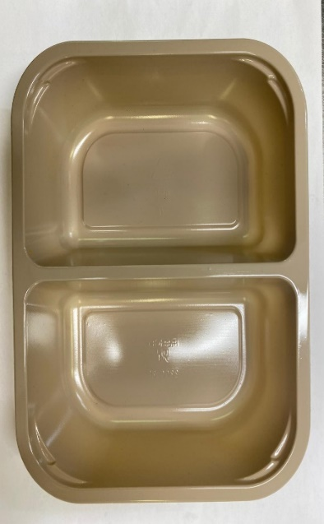 |  |  |  |  |  | 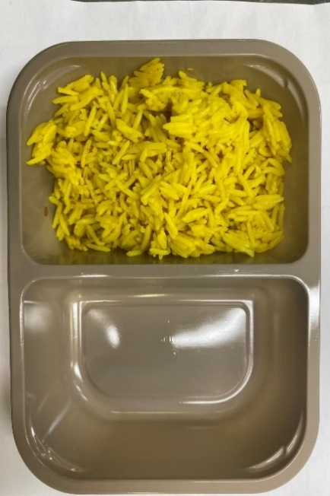

Tray: EVOLVE CPET 2200-2F (PKRHP001-10) |  |  |  |  |  | PILAU RICE (GFF143R): 180g

Film: K peel 7G+25A/f- 275mm (275 mmX1000) (PKKMP001-03)

STEP 3 |  |  | STEP 4 |  |  |  |  |  | STEP 5
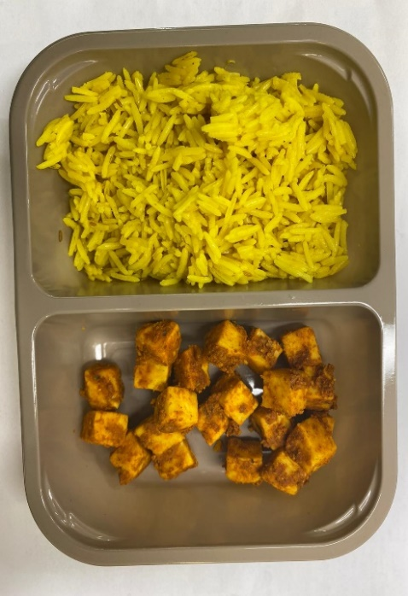 |  |  | 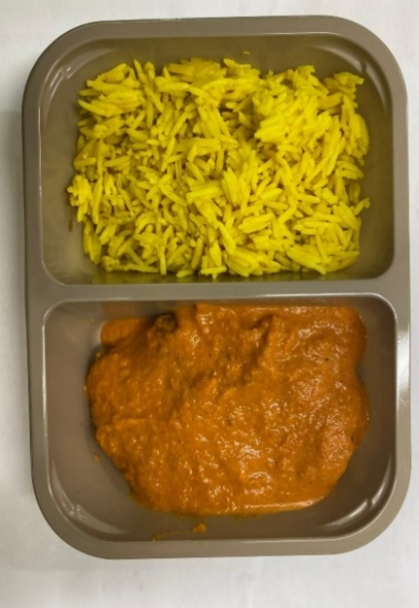 |  |  |  |  |  | 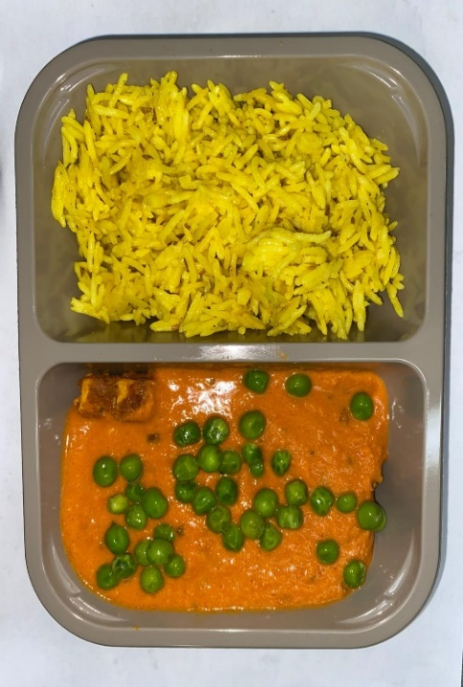

TANDOORI PANEER MARINATED (GFF206R): 60g |  |  | BUTTER SAUCE (GFF134R): 140g |  |  |  |  |  | STEAMED PEAS (GFF207R): 20g
 |  |  |  |  |  |  |  |  | TOTAL WEIGHT: 400G
ALLERGY ALERT: BARLEY, MILK

